Data Transformation
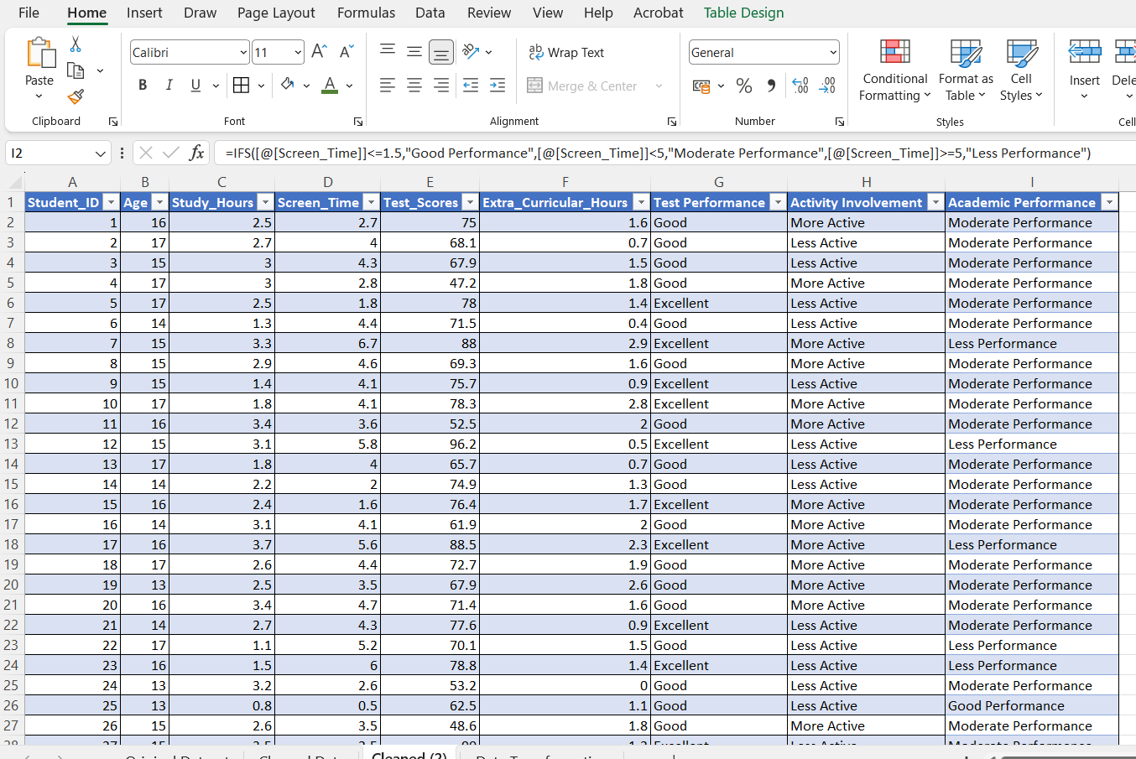
Data Transformation
Create new calculated fields if needed

Created new calculated field - Test Performance
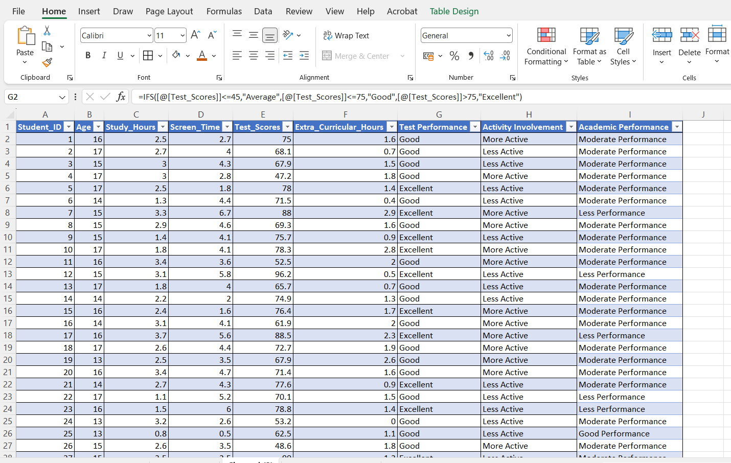

Created new calculated field - Activity Involvement
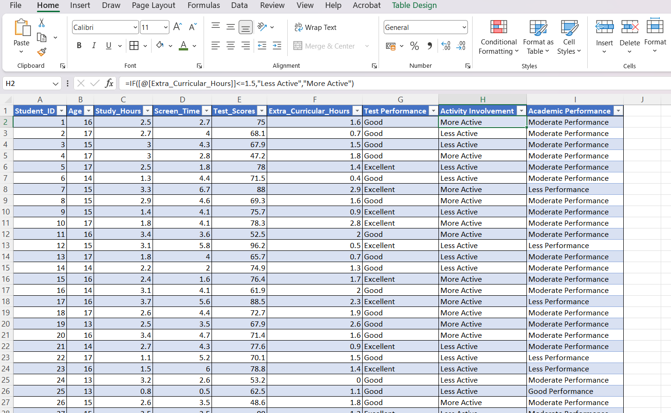

Created new calculated field - Academic Performance

Pivot Tables
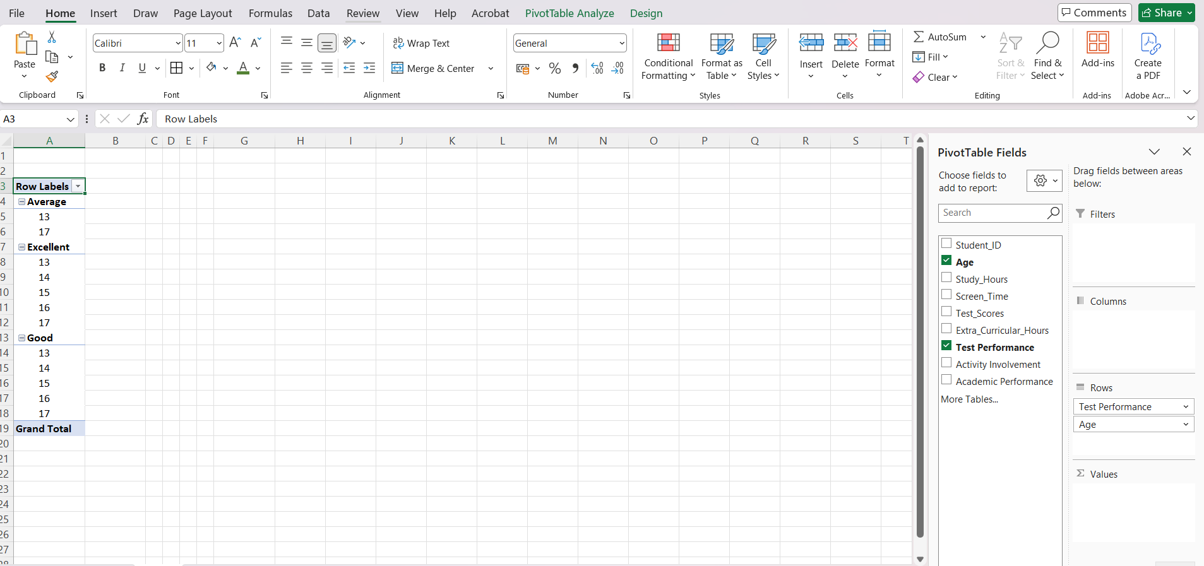
Pivot Tables
Average test scores by screen time category
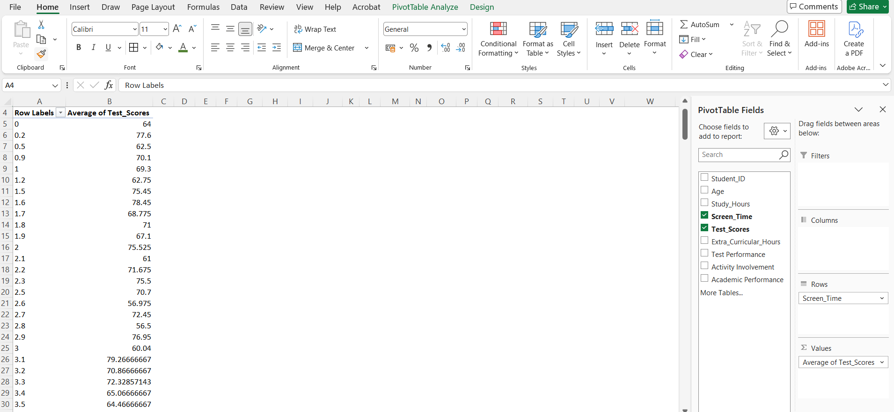

Screen time vs. extracurricular activity trends
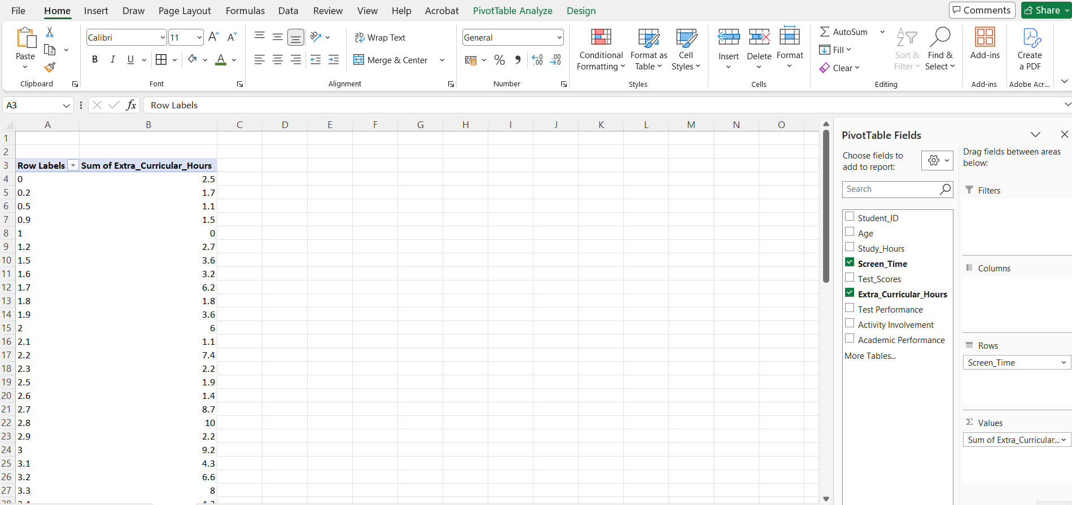

Age group-wise performance

Charts & Dashboards
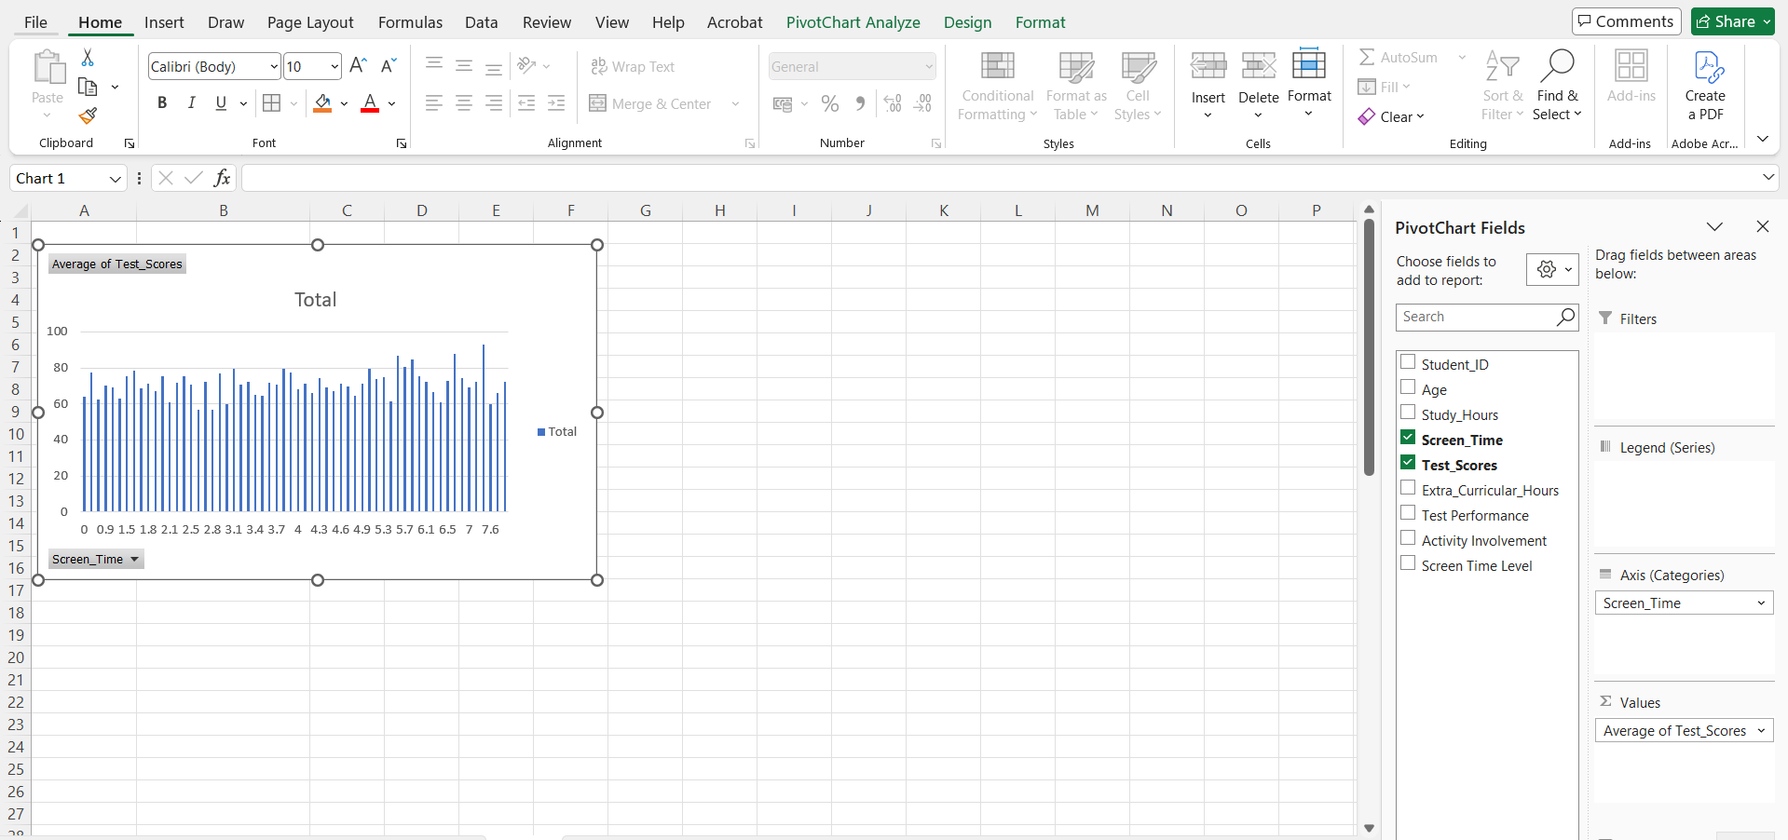
Charts & Dashboards
A Line chart of Screen Time vs. Test Scores
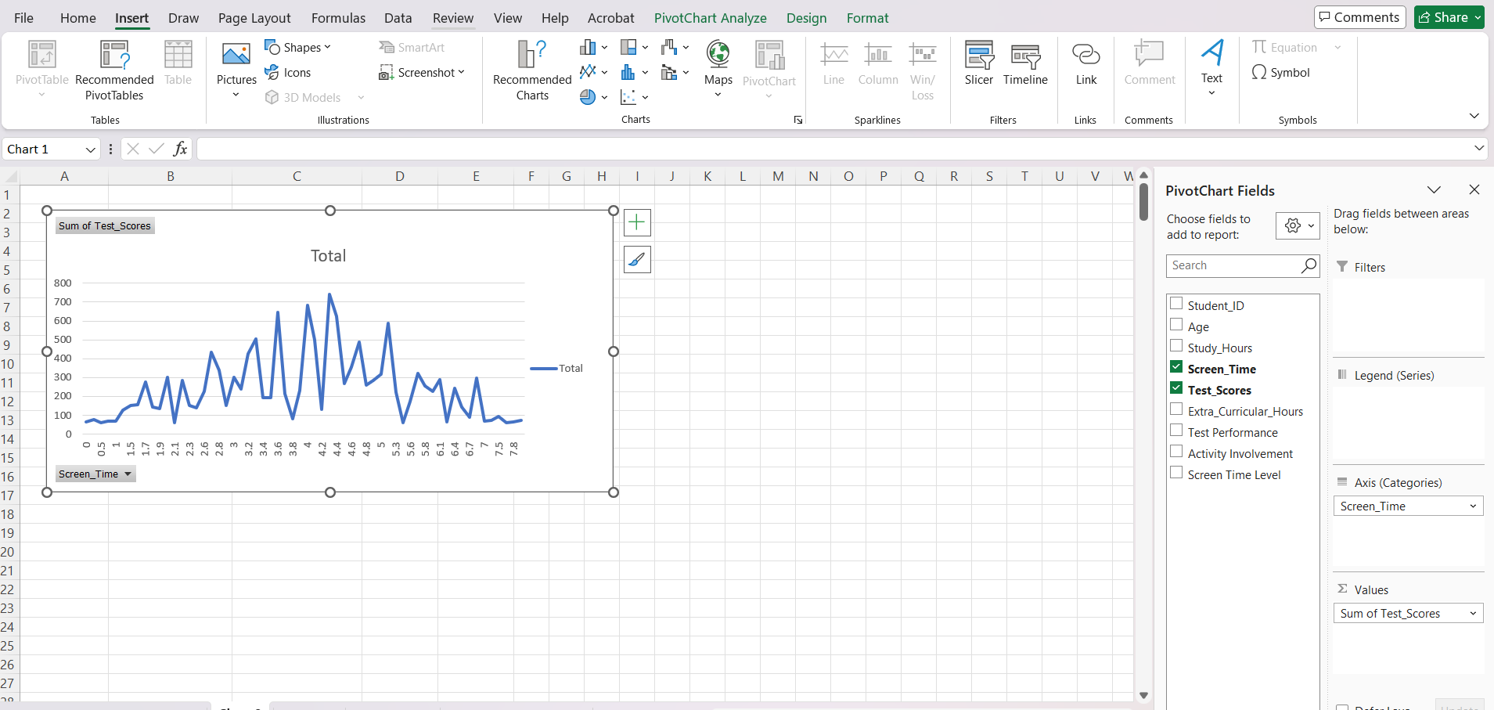

A bar chart comparing average test scores across screen time ranges

